Step 2_Missing values
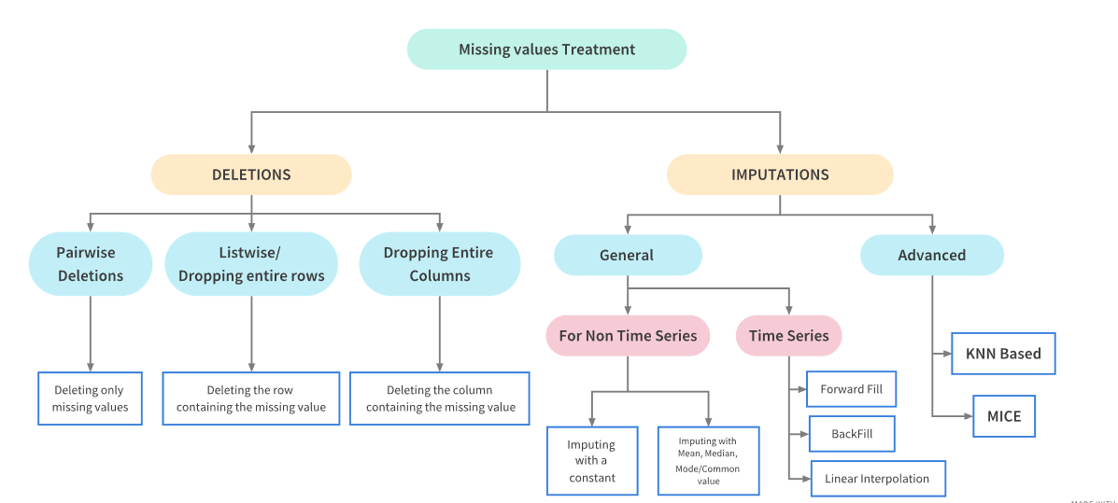
Step 2:Handle Missing Values
Conditions | SubTask | Action | Plotting
 |  |  | Bar chart for missing values can be done import missingno as msno msno.bar(df) msno.matrix(train) #To see where values are missing
 | Check if data there are blank values for any columns | Assign NA or None to such cells | msno.heatmap(train) to see correlations b/w features. If
 | Fill missing values | Check the percentage of missing values for all columns .If the percentage is more than 10% for any column then need to handle them accordingly
Missing values % > 10 | Fill missing values for Categorical columns | Replace with mode Apply logistic regression and then predict value for such data | In case missing values are not strongly related to other features and are simply random then it is mostyl MCAR
Missing values % > 10 | Fill missing values for Numerical columns | Replace with mean/median or mode. ->Use mean for columns where we expect the values in column to give something. For eg if column is Tax collected then each person would contribute to the tax collected so in this case if any missing value then use the mean here as large values are needed. -> Use median when want to approximate for all the values in the column. -> ML models like linear regression can be used to predict the value
Missing values % between 3 to 5 | Remove missing values | Delete that particular row
 | Fill partial missing values | Missing time zone,century etc
If we feel that missing values are not at random and are justifiable then we can leave them as it is as most of the aggregation functions work with Nan

For Time Series
If greater than 10% missing | Fill the values with last observed values.For eg if 8,nan,nan then it will do 8,8,8 | city_day.fillna(method='ffill',inplace=True)#previous values city_day.fillna(method='bfill',inplace=True) #next values
 | Linear interpolation is an imputation technique that assumes a linear relationship between data points and utilises non-missing values from adjacent data points to compute a value for a missing data point. | city_day1.interpolate(limit_direction="both",inplace=True)

Type of missing value | Description | Examples | Acceptable solutions
Missing completely at random | All observations have the same likelihood of being missing. | Electronic time observations are missing, independent of what lane a swimmer is in. | Deletion, Imputation
 |  | A scale is equally likely to produce missing values when placed on a soft surface or a hard surface ( Van Buren, 2018).
 |  | Geographical location data is eqaully likely to be missing for all locations.

Missing at random | Likelihood that a data point is missing is not related to the missing data but may be related to other observed data. | A certain swimming lane is more likely to have missing electronic time observations. | Deletion, Imputation
 |  | A scale produces more missing values when placed on a soft surface than a hard surface ( Van Buren, 2018).
 |  | Childhood health assessment data is more likely to be missing in lower median income counties.

Missing not at random | Likelihood of a missing observation is related to its values. | When surveyed people with more income are less likely to report their income. | Imputation
 |  | On a health survey illicit drug users are less likely to respond to a question about illicit drug use.
 |  | Individuals surveyed about their age are more likely to leave the age question blank when they are older.

